BUG_TC002_002
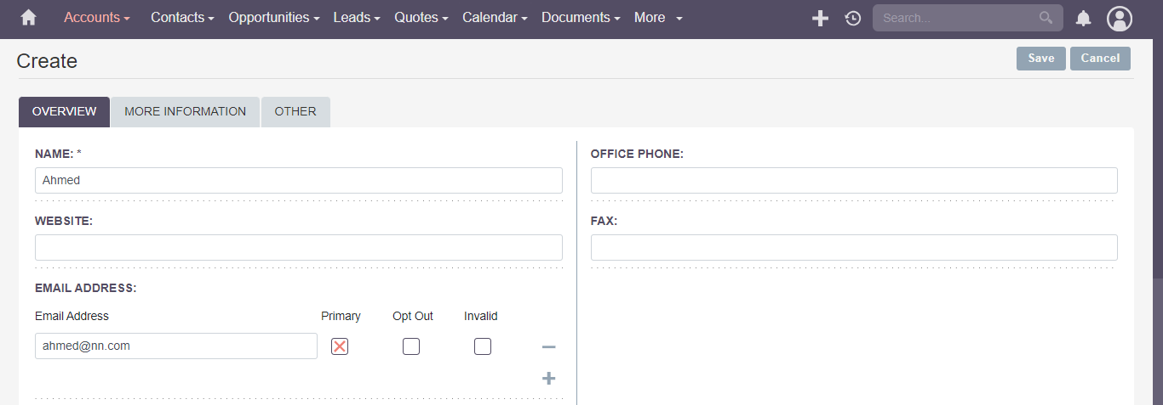
Category | Label | Value
Bug ID | ID number | BUG_TC002_002
 | Name | Valid creation of account using invalid email address
 | Reporter | Ahmed Negm
 | Submit Date | 2024-10-16
 | TC ID | TC002_002
Bug overview | Summary | User is able to Create Account using invalid email address
 | URL | https://suite8demo.suiteondemand.com/#/accounts/edit?return_module=Accounts&return_action=DetailView
 | Screenshot (Evidence)
Environment | Platform | DELL Precision
 | Operating System | Windows11
 | Browser | Chrome V10.1
Bug details | Steps to reproduce | 1-1-https://suite8demo.suiteondemand.com/#/Login 2-Username:"will" password:"will" 3-N/A 4-Name:"NEGM" Email:"ahmed@nn.com"
 | Expected result | Error Messege should appear to user to enter valid email address
 | Actual result | User is able to Create Account sucessfully
 | Description
Bug tracking | Severity (Critical - Major -Minor) | Critical
 | Assigned to | Developer
 | Priority(High - Medium - Low) | High
Notes | Notes

BUG_TC003_005
Category | Label | Value
Bug ID | ID number | BUG_TC003_005
 | Name | Verify user can print account,contact as pdf if user select at least one account or contact
 | Reporter | Ahmed Negm
 | Submit Date | 2024-10-16
 | TC ID | TC003_005,TC006_005
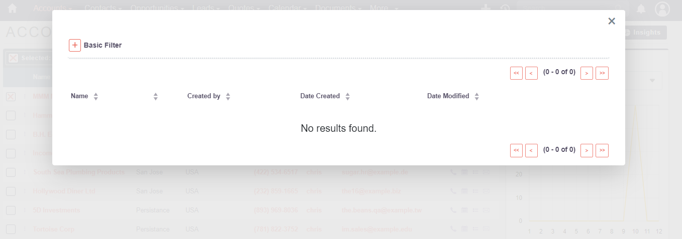
Bug overview | Summary | User is able to Print account if user selects at least one account,contact to print
 | URL | https://suite8demo.suiteondemand.com/#/accounts/index?return_module=Accounts&return_action=DetailView
 | Screenshot (Evidence)
Environment | Platform | DELL Precision
 | Operating System | Windows11
 | Browser | Chrome V10.1
Bug details | Steps to reproduce | 1-user navigate to website 2-user enter correct username and password 3-user navigate to Account and click on View account 4-user select at Least 1 account 5-user choose print as pdf from bulk action dropdown menu
 | Expected result | User is able to print account,contact choosed successfully
 | Actual result | an empty pop up window appear and no account,contact can be printed
 | Description
Bug tracking | Severity (Critical - Major -Minor) | Major
 | Assigned to | Developer
 | Priority(High - Medium - Low) | Medium
Notes | Notes

BUG_TC028_003
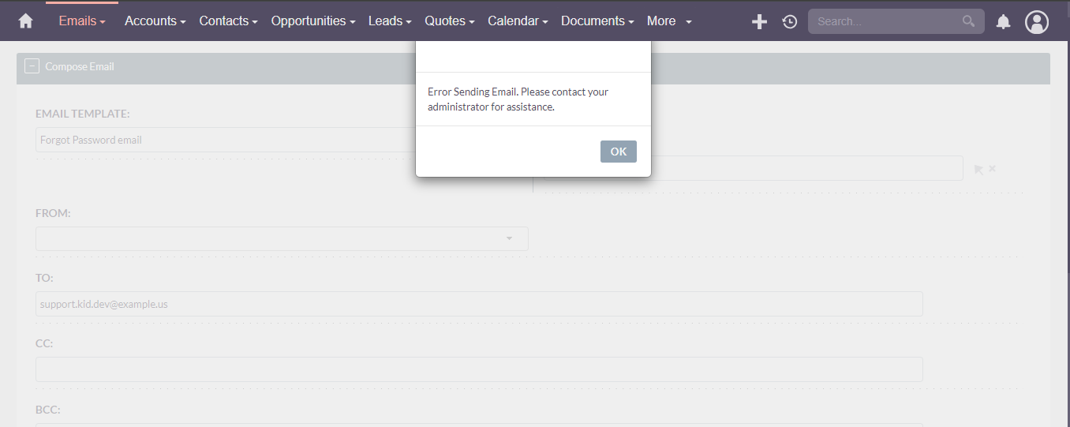
Category | Label | Value
Bug ID | ID number | BUG_TC028_003
 | Name | Verify send button found in compose email form functionallity
 | Reporter | Ahmed Negm
 | Submit Date | 2024-10-16
 | TC ID | TC028_003,TC030_004,TC031_002
Bug overview | Summary | User is able to send email in copose email form correctly using send button
 | URL | https://suite8demo.suiteondemand.com/#/emails/compose?return_module=Emails&return_action=index
 | Screenshot (Evidence)
Environment | Platform | DELL Precision
 | Operating System | Windows11
 | Browser | Chrome V10.1
Bug details | Steps to reproduce | 1-user navigate to website 2-user enter correct username and password 3-user navigate to More Dropdown menu and press on Emails 4-userentered all required fields 5-user press send button
 | Expected result | User should be able to send Email Successfully
 | Actual result | Error messege appear to user
 | Description
Bug tracking | Severity (Critical - Major -Minor) | Major
 | Assigned to | Developer
 | Priority(High - Medium - Low) | High
Notes | Notes

BUG_TC029_005
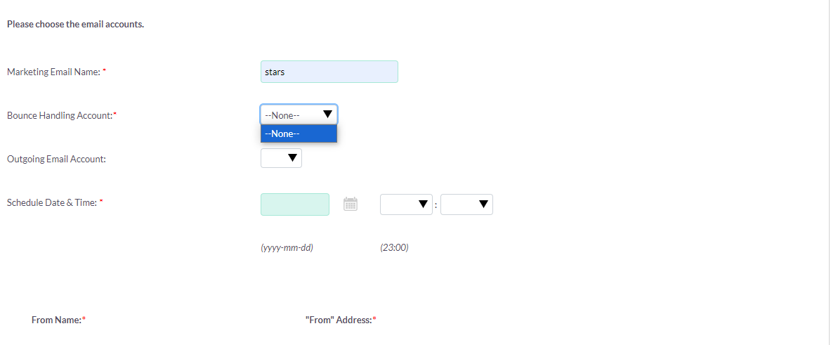
Category | Label | Value
Bug ID | ID number | BUG_TC029_005
 | Name | Validate Bounce Handling Account dropdown list in create campign tab
 | Reporter | Ahmed Negm
 | Submit Date | 2024-10-16
 | TC ID | TC029_005
Bug overview | Summary | Verify user is able to choose from options found in Bounce Handling Account: dropdown list
 | URL | https://suite8demo.suiteondemand.com/#/campaigns/WizardMarketing?return_module=Campaigns&campaign_id=496ba59c-f680-2e6b-0a39-67114e787771&return_action=WizardNewsLetter&return_id=496ba59c-f680-2e6b-0a39-67114e787771
 | Screenshot (Evidence)
Environment | Platform | DELL Precision
 | Operating System | Windows11
 | Browser | Chrome V10.1
Bug details | Steps to reproduce | 1-user navigate to website 2-user enter correct username and password 3-user navigate to More Dropdown menu and press on Campigns 4-User press on Create Campaign 5-user choose newsletter 6-user enter all required fields in Campaiign header 7-user press Next 8-user enter required fields in Target List 9-user press Next 10-user choose email template 11-user press next 12-user enter data in required fields
 | Expected result | User should be able to choose from dropdown list
 | Actual result | User cannot choose from dropdown list as it doesnt contain any option to choose from
 | Description
Bug tracking | Severity (Critical - Major -Minor) | Major
 | Assigned to | Developer
 | Priority(High - Medium - Low) | High
Notes | Notes

BUG_TC030_002
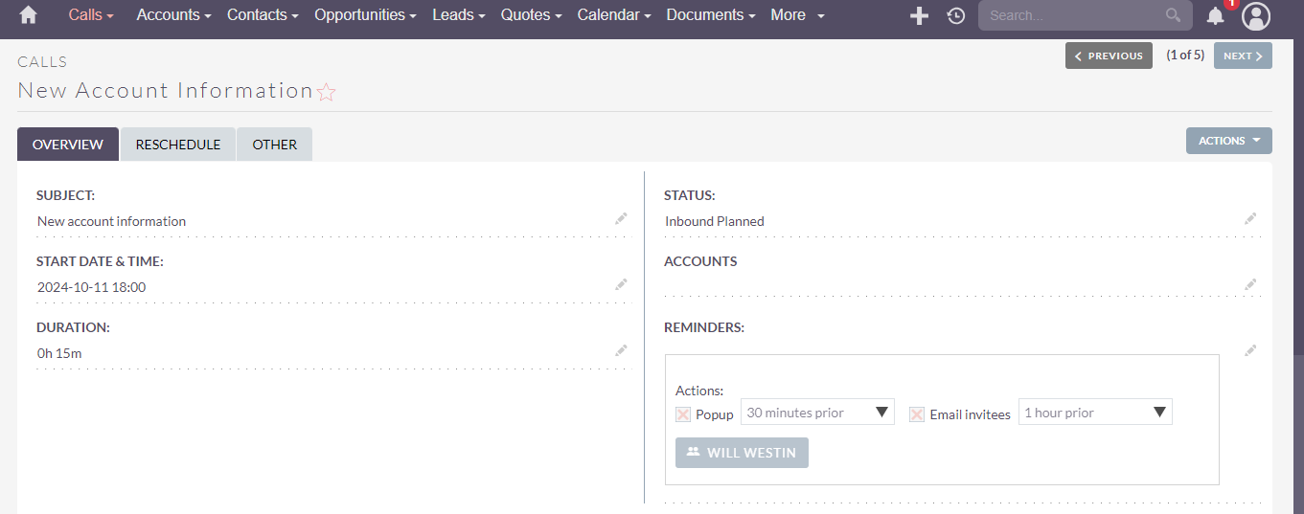
Category | Label | Value
Bug ID | ID number | BUG_TC030_002
 | Name | Verify user choose correct start date in create call tab
 | Reporter | Ahmed Negm
 | Submit Date | 2024-10-16
 | TC ID | TC030_002,TC032_002
Bug overview | Summary | verify error messege shall appear if user choose in start date an already passed date and choose call type to be planned
 | URL | https://suite8demo.suiteondemand.com/#/campaigns/WizardMarketing?return_module=Campaigns&campaign_id=496ba59c-f680-2e6b-0a39-67114e787771&return_action=WizardNewsLetter&return_id=496ba59c-f680-2e6b-0a39-67114e787771
 | Screenshot (Evidence)
Environment | Platform | DELL Precision
 | Operating System | Windows11
 | Browser | Chrome V10.1
Bug details | Steps to reproduce | 1-user navigate to website 2-user enter correct username and password 3-user navigate to More Dropdown menu and press on Calls 4-User press on Log call and enter required fields 5-user choose an already passed date for an upcoming call
 | Expected result | Error messege shall appear
 | Actual result | user create call suuccessfully
 | Description
Bug tracking | Severity (Critical - Major -Minor) | Major
 | Assigned to | Developer
 | Priority(High - Medium - Low) | Medium
Notes | Notes

BUG_TC17006_002
Category | Label | Value
Bug ID | ID number | BUG_TC017006_002
 | Name | Invalid Address Formats
 | Reporter | Youstina Gamal
 | Submit Date | 2024-10-09
 | TC ID | TC017_006
Bug overview | Summary | User can set invalid Address format.
 | URL | https://suite8demo.suiteondemand.com/#/quotes
 | Screenshot (Evidence) | 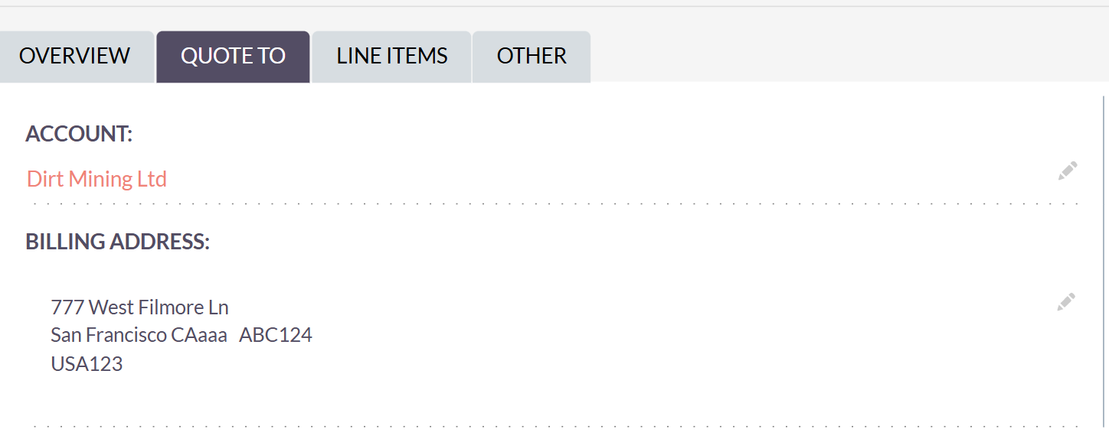
Environment | Platform | DELL Precision
 | Operating System | Windows10
 | Browser | Microsoft Edge Version 129.0.2792.79 (Official build) (64-bit)
Bug details | Steps to reproduce | Simplified steps for the test case
 | Expected result | The system displays validation errors specifying the correct format foe each address field preventing the quote from being saved until corrected
 | Actual result | User is able to set invalid Address Information when creating a quote
 | Description
Bug tracking | Severity (Critical - Major -Minor) | Major
 | Assigned to | Developer
 | Priority(High - Medium - Low) | Medium
Notes | Notes

BUG_TC23003_006
Category | Label | Value
Bug ID | ID number | BUG_TC023003_005
 | Name | Set Invalid date
 | Reporter | Youstina Gamal
 | Submit Date | 2024-10-12
 | TC ID | TC023_003
Bug overview | Summary | User can create task with invalid date
 | URL | https://suite8demo.suiteondemand.com/#/tasks
 | Screenshot (Evidence) | 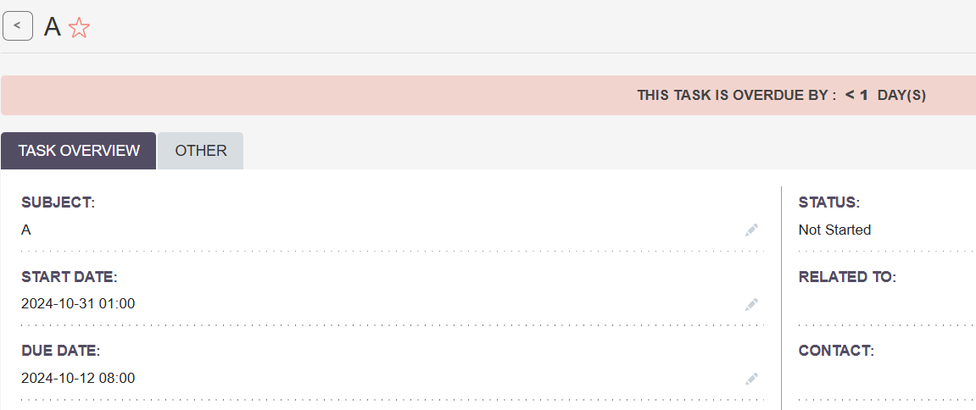
Environment | Platform | DELL Precision
 | Operating System | Windows10
 | Browser | Microsoft Edge Version 129.0.2792.79 (Official build) (64-bit)
Bug details | Steps to reproduce | Simplified steps for the test case
 | Expected result | The system shows an error message" Start Date(2024-10-31 01:00) is not before 2024-10-12 08:00" and the Task is not saved
 | Actual result | The Task is created and this is appear "THIS TASK IS OVERDUE BY : < 1 DAY(S)"
 | Description
Bug tracking | Severity (Critical - Major -Minor) | Major
 | Assigned to | Developer
 | Priority(High - Medium - Low) | Medium
Notes | Notes

BUG_TCV_008
Category | Label | Value
Bug ID | ID number | BUG_TCV_008
 | Name | Menu bar duplication issue across multiple modules
 | Reporter | Rana Osama
 | Submit Date | 2024-10-15
 | TC ID | TC026_004, TC046_004, TC049_004, TC052_004, TC054_004, TC056_004, TC058_004 and TC060_004
Bug overview | Summary | The menu bar is duplicated in the UI across multiple sections such as View Documents, View PDF templates, View Reports, View Knowledge Base, View KB - Categories, View Email Template, View Surveys and Show Survey Responses
 | URL | https://suite8demo.suiteondemand.com/#/documents/index https://suite8demo.suiteondemand.com/#/pdf-templates https://suite8demo.suiteondemand.com/#/reports https://suite8demo.suiteondemand.com/#/knowledge-base https://suite8demo.suiteondemand.com/#/knowledge-base-categories https://suite8demo.suiteondemand.com/#/email-templates https://suite8demo.suiteondemand.com/#/surveys https://suite8demo.suiteondemand.com/#/survey-responses/index?return_module=Surveys&return_action=index
 | Screenshot (Evidence) same issue exist in the other sections | 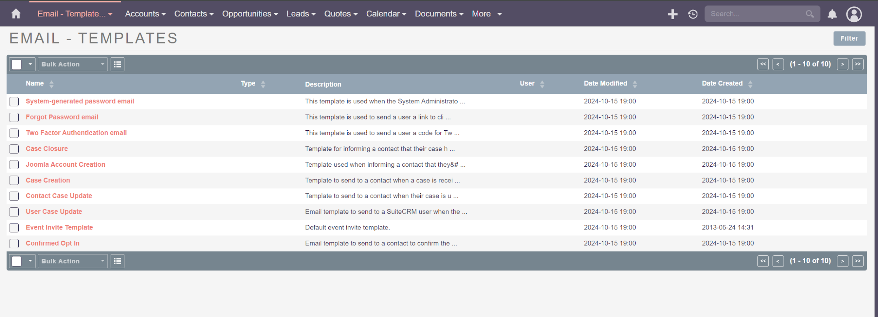
Environment | Platform | DELL Precision
 | Operating System | Windows11
 | Browser | Chrome V10.1
Bug details | Steps to reproduce | 1-Navigate to website 2-Enter correct username and password 3-Navigate to Documents, PDF Templates, Reports, Knowledge Base, KB Category, Email Template, Surveys or Survey Responses and click on View Documents, View PDF templates, View Reports, View Knowledge Base, View KB - Categories, View Email Template, View Surveys or Show Survey Responses 4-Observe the UI layout for duplication in the menu bar
 | Expected result | Only one menu bar appear
 | Actual result | Two menu bar appear
 | Description | This bug is related to a duplicated menu bar that appears in multiple sections of the system, including the View Documents, View PDF templates, View Reports, View Knowledge Base, View KB - Categories, View Email Template, View Surveys and Show Survey Responses. The issue may confuse users by displaying unnecessary and redundant menu options affecting the overall user experience and usability of the system.
Bug tracking | Severity (Critical - Major -Minor) | Minor
 | Assigned to | Developer
 | Priority(High - Medium - Low) | Low
Notes | Notes | This issue affects user experience across different sections leading to confusion

